Q2-a&b
a= | 41 | i | Xi | Ri
c= | 13 | 0 | 27 | 0.10546875
m= | 256 | 1 | 96 | 0.375
 |  | 2 | 109 | 0.42578125
 |  | 3 | 130 | 0.5078125 | Bin
 |  | 4 | 223 | 0.87109375 | 0.1
Histogram
 | Frekans
0.1 | 8
0.2 | 17
0.3 | 7
0.4 | 5
0.5 | 9
0.6 | 14
0.7 | 12
0.8 | 7
0.9 | 10
1 | 12
 |  | 5 | 196 | 0.765625 | 0.2 | Bin | Frekans
 |  | 6 | 113 | 0.44140625 | 0.3 | 0.1 | 8
 |  | 7 | 38 | 0.1484375 | 0.4 | 0.2 | 17
 |  | 8 | 35 | 0.13671875 | 0.5 | 0.3 | 7
 |  | 9 | 168 | 0.65625 | 0.6 | 0.4 | 5
 |  | 10 | 245 | 0.95703125 | 0.7 | 0.5 | 9
 |  | 11 | 74 | 0.2890625 | 0.8 | 0.6 | 14
 |  | 12 | 231 | 0.90234375 | 0.9 | 0.7 | 12
 |  | 13 | 12 | 0.046875 | 1 | 0.8 | 7
 |  | 14 | 249 | 0.97265625 |  | 0.9 | 10
 |  | 15 | 238 | 0.9296875 |  | 1 | 12
 |  | 16 | 43 | 0.16796875
 |  | 17 | 240 | 0.9375
 |  | 18 | 125 | 0.48828125
 |  | 19 | 18 | 0.0703125
 |  | 20 | 239 | 0.93359375
 |  | 21 | 84 | 0.328125
 |  | 22 | 129 | 0.50390625
 |  | 23 | 182 | 0.7109375
 |  | 24 | 51 | 0.19921875
 |  | 25 | 56 | 0.21875
 |  | 26 | 5 | 0.01953125
 |  | 27 | 218 | 0.8515625
 |  | 28 | 247 | 0.96484375
 |  | 29 | 156 | 0.609375
 |  | 30 | 9 | 0.03515625
 |  | 31 | 126 | 0.4921875
 |  | 32 | 59 | 0.23046875
 |  | 33 | 128 | 0.5
 |  | 34 | 141 | 0.55078125
 |  | 35 | 162 | 0.6328125
 |  | 36 | 255 | 0.99609375
 |  | 37 | 28 | 0.109375
 |  | 38 | 137 | 0.53515625
 |  | 39 | 254 | 0.9921875
 |  | 40 | 187 | 0.73046875
 |  | 41 | 0 | 0
 |  | 42 | 13 | 0.05078125
 |  | 43 | 34 | 0.1328125
 |  | 44 | 127 | 0.49609375
 |  | 45 | 100 | 0.390625
 |  | 46 | 17 | 0.06640625
 |  | 47 | 198 | 0.7734375
 |  | 48 | 195 | 0.76171875
 |  | 49 | 72 | 0.28125
 |  | 50 | 149 | 0.58203125
 |  | 51 | 234 | 0.9140625
 |  | 52 | 135 | 0.52734375
 |  | 53 | 172 | 0.671875
 |  | 54 | 153 | 0.59765625
 |  | 55 | 142 | 0.5546875
 |  | 56 | 203 | 0.79296875
 |  | 57 | 144 | 0.5625
 |  | 58 | 29 | 0.11328125
 |  | 59 | 178 | 0.6953125
 |  | 60 | 143 | 0.55859375
 |  | 61 | 244 | 0.953125
 |  | 62 | 33 | 0.12890625
 |  | 63 | 86 | 0.3359375
 |  | 64 | 211 | 0.82421875
 |  | 65 | 216 | 0.84375
 |  | 66 | 165 | 0.64453125
 |  | 67 | 122 | 0.4765625
 |  | 68 | 151 | 0.58984375
 |  | 69 | 60 | 0.234375
 |  | 70 | 169 | 0.66015625
 |  | 71 | 30 | 0.1171875
 |  | 72 | 219 | 0.85546875
 |  | 73 | 32 | 0.125
 |  | 74 | 29 | 0.11328125
 |  | 75 | 178 | 0.6953125
 |  | 76 | 143 | 0.55859375
 |  | 77 | 244 | 0.953125
 |  | 78 | 33 | 0.12890625
 |  | 79 | 86 | 0.3359375
 |  | 80 | 211 | 0.82421875
 |  | 81 | 216 | 0.84375
 |  | 82 | 165 | 0.64453125
 |  | 83 | 122 | 0.4765625
 |  | 84 | 151 | 0.58984375
 |  | 85 | 60 | 0.234375
 |  | 86 | 169 | 0.66015625
 |  | 87 | 30 | 0.1171875
 |  | 88 | 219 | 0.85546875
 |  | 89 | 32 | 0.125
 |  | 90 | 45 | 0.17578125
 |  | 91 | 66 | 0.2578125
 |  | 92 | 159 | 0.62109375
 |  | 93 | 132 | 0.515625
 |  | 94 | 49 | 0.19140625
 |  | 95 | 230 | 0.8984375
 |  | 96 | 227 | 0.88671875
 |  | 97 | 104 | 0.40625
 |  | 98 | 181 | 0.70703125
 |  | 99 | 10 | 0.0390625
 |  | 100 | 167 | 0.65234375

Q2-c
H0: R ~ Uniform(0,1)
H1: R ~/~ Uniform(0,1) |  | Interval | Oi | Ei | (Oi-Ei)^2 | (Oi-Ei)^2/Ei |  | 0.375 | 0.2890625 | 0.328125 | 0.4921875 | 0 | 0.9140625 | 0.953125 | 0.1171875 | 0.84375 | 0.2578125
n=100 |  | 0.0-0.1 | 0 | 10 | 100 | 10 |  | 0.42578125 | 0.90234375 | 0.50390625 | 0.23046875 | 0.05078125 | 0.52734375 | 0.12890625 | 0.85546875 | 0.64453125 | 0.62109375
$\sqrt{n}$ =10
 |  | 0.1-0.2 | 0 | 10 | 100 | 10 |  | 0.5078125 | 0.046875 | 0.7109375 | 0.5 | 0.1328125 | 0.671875 | 0.3359375 | 0.125 | 0.4765625 | 0.515625
 |  | 0.2-0.3 | 0 | 10 | 100 | 10 |  | 0.87109375 | 0.97265625 | 0.19921875 | 0.55078125 | 0.49609375 | 0.59765625 | 0.82421875 | 0.11328125 | 0.58984375 | 0.19140625
 |  | 0.3-.04 | 0 | 10 | 100 | 10 |  | 0.765625 | 0.9296875 | 0.21875 | 0.6328125 | 0.390625 | 0.5546875 | 0.84375 | 0.6953125 | 0.234375 | 0.8984375
 |  | 0.4-0.5 | 0 | 10 | 100 | 10 |  | 0.44140625 | 0.16796875 | 0.01953125 | 0.99609375 | 0.06640625 | 0.79296875 | 0.64453125 | 0.55859375 | 0.66015625 | 0.88671875
 |  | 0.5-0.6 | 0 | 10 | 100 | 10 |  | 0.1484375 | 0.9375 | 0.8515625 | 0.109375 | 0.7734375 | 0.5625 | 0.4765625 | 0.953125 | 0.1171875 | 0.40625
 |  | 0.6-0.7 | 0 | 10 | 100 | 10 |  | 0.13671875 | 0.48828125 | 0.96484375 | 0.53515625 | 0.76171875 | 0.11328125 | 0.58984375 | 0.12890625 | 0.85546875 | 0.70703125
 |  | 0.7-0.8 | 0 | 10 | 100 | 10 |  | 0.65625 | 0.0703125 | 0.609375 | 0.9921875 | 0.28125 | 0.6953125 | 0.234375 | 0.3359375 | 0.125 | 0.0390625
 |  | 0.8-0.9 | 0 | 10 | 100 | 10 |  | 0.95703125 | 0.93359375 | 0.03515625 | 0.73046875 | 0.58203125 | 0.55859375 | 0.66015625 | 0.82421875 | 0.17578125 | 0.65234375
 |  | 0.9-1.0 | 0 | 10 | 100 | 10

 |  |  |  |  | Χ²_obs= | 100
 | 10-0-1 |  |  |  | d.o.f | 9 | Since 10.8 < 16.92 ==> We fail to reject Ho
 |  |  |  |  | Χ²_crit= | 16.92

Q7
CHI-SQUARE TEST FOR EXPONENTIAL DISTRIBUTION

 | We have k=6 classes (6 intervals). To find the endpoints of the intervals, we should solve for ai in F(ai)=i*p = 1-exp(-λ*ai) because we want the probability for a number to lie in any interval to be equal (where ai is the endpoint of the ith interval). Since we have 6 classes, we have p=1/6. In order to determine these endpoints, we should estimate λ using the data. The estimator for λ is 1/Xbar, where Xbar is the mean interarrival time. Finally, we should solve for ai = -(1/λ)ln(1-i*p)

i | ai | Employee | Time (Minutes) | Employee | Time (Minutes) | Employee | Time (Minutes) | Employee | Time (Minutes) | Employee | Time (Minutes) |  | Data array
1 | 0.2198799026 | 1 | 1.88 | 11 | 3.53 | 21 | 1.42 | 31 | 0.39 | 41 | 0.80 |  | 1.88
2 | 0.48899115412 | 2 | 0.54 | 12 | 0.53 | 22 | 1.28 | 32 | 0.34 | 42 | 5.50 |  | 0.54
3 | 0.83593589933 | 3 | 1.90 | 13 | 1.80 | 23 | 0.82 | 33 | 0.01 | 43 | 4.91 |  | 1.90
4 | 1.3249270534 | 4 | 0.15 | 14 | 0.79 | 24 | 2.16 | 34 | 0.10 | 44 | 0.35 |  | 0.15
5 | 2.1608629528 | 5 | 0.02 | 15 | 0.21 | 25 | 0.05 | 35 | 1.10 | 45 | 0.36 |  | 0.02
6 | ∞ | 6 | 2.81 | 16 | 0.80 | 26 | 0.04 | 36 | 0.24 | 46 | 0.90 |  | 2.81
 |  | 7 | 1.50 | 17 | 0.26 | 27 | 1.49 | 37 | 0.26 | 47 | 1.03 |  | 1.50
Class # | Intervals | 8 | 0.53 | 18 | 0.63 | 28 | 0.66 | 38 | 0.45 | 48 | 1.73 |  | 0.53
1 | 0 - 0,219879903 | 9 | 2.62 | 19 | 0.36 | 29 | 2.03 | 39 | 0.17 | 49 | 0.38 |  | 2.62
2 | 0,219879903 - 0,488991154 | 10 | 2.67 | 20 | 2.03 | 30 | 1.00 | 40 | 4.29 | 50 | 0.48 |  | 2.67
3 | 0,488991154 - 0,835935899 |  |  |  |  |  |  |  |  |  | Xbar= | 1.21 | 3.53
4 | 0,835935899 - 1,324927053 |  |  |  |  |  |  |  |  |  | λ= | 0.82918739635 | 0.53
5 | 1,324927053 - 2,160862953 |  |  |  |  |  |  |  |  |  |  |  | 1.80
6 | 2,160862953 - ∞ |  |  |  |  |  |  |  |  |  |  |  | 0.79
 |  | Chi-square test |  |  |  |  |  |  |  |  |  |  | 0.21
Class # | Frequency | i | Oi | Ei | (Oi-Ei)^2/Ei |  |  |  |  |  |  |  | 0.80
1 | 8 | 1 | 8 | 8.3333333333 | 0.013 |  |  |  |  |  |  |  | 0.26
2 | 11 | 2 | 11 | 8.3333333333 | 0.853 |  |  |  |  |  |  |  | 0.63
3 | 9 | 3 | 9 | 8.3333333333 | 0.053 |  |  |  |  |  |  |  | 0.36
4 | 5 | 4 | 5 | 8.3333333333 | 1.333 |  |  |  |  |  |  |  | 2.03
5 | 10 | 5 | 10 | 8.3333333333 | 0.333 |  |  |  |  |  |  |  | 1.42
6 | 7 | 6 | 7 | 8.3333333333 | 0.213 |  |  |  |  |  |  |  | 1.28
 |  | Totals | 50 |  | 2.800 | our test statistic X0^2 |  | H0: Data are exponentially distributed |  |  |  |  | 0.82
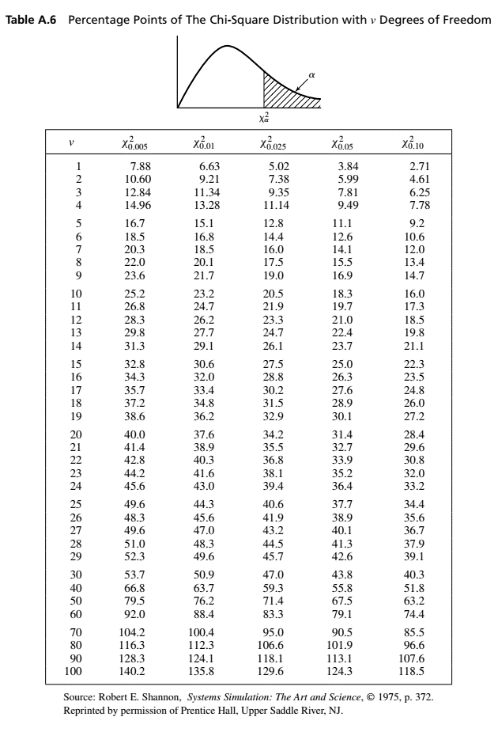
 |  |  |  |  | 9.49 | critical value X^2(0.05) |  | H1: Data are not exponentially distributed |  |  |  |  | 2.16
 |  |  |  |  |  | DO NOT REJECT H0! |  |  |  |  |  |  | 0.05
 |  |  |  |  |  |  |  |  |  |  |  |  | 0.04
 |  |  |  |  |  |  |  |  |  |  |  |  | 1.49
 |  |  |  |  |  |  |  |  |  |  |  |  | 0.66
 |  |  |  |  |  |  |  |  |  |  |  |  | 2.03
 |  |  |  |  |  |  |  |  |  |  |  |  | 1.00
 |  |  |  |  |  |  |  |  |  |  |  |  | 0.39
 |  |  |  |  |  |  |  |  |  |  |  |  | 0.34
 |  |  |  |  |  |  |  |  |  |  |  |  | 0.01
 |  |  |  |  |  |  |  |  |  |  |  |  | 0.10
 |  |  |  |  |  |  |  |  |  |  |  |  | 1.10
 |  |  |  |  |  |  |  |  |  |  |  |  | 0.24
 |  |  |  |  |  |  |  |  |  |  |  |  | 0.26
 |  |  |  |  |  |  |  |  |  |  |  |  | 0.45
 |  |  |  |  |  |  |  |  |  |  |  |  | 0.17
 |  |  |  |  |  |  |  |  |  |  |  |  | 4.29
 |  |  |  |  |  |  |  |  |  |  |  |  | 0.80
 |  |  |  |  |  |  |  |  |  |  |  |  | 5.50
 |  |  |  |  |  |  |  |  |  |  |  |  | 4.91
 |  |  |  |  |  |  |  |  |  |  |  |  | 0.35
 |  |  |  |  |  |  |  |  |  |  |  |  | 0.36
 |  |  |  |  |  |  |  |  |  |  |  |  | 0.90
 |  |  |  |  |  |  |  |  |  |  |  |  | 1.03
 |  |  |  |  |  |  |  |  |  |  |  |  | 1.73
 |  |  |  |  |  |  |  |  |  |  |  |  | 0.38
 |  |  |  |  |  |  |  |  |  |  |  |  | 0.48

